Observations
 |  | Office Clearance Inventory Clear Workspace for Spirit Banking Group London · 30/07/2026 · 3 floors · 68 observations
# | Photo | Observation | Qty | Dims | Condition | Action | Comments | More photos
Basement
1 | 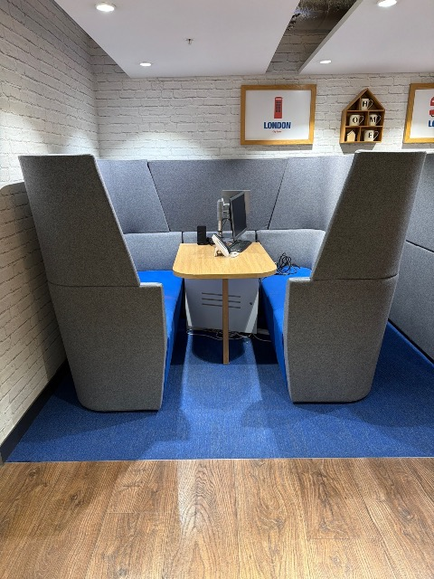 | 4 person booth Pods & booths | 2 |  | Poor | Remove
2 | 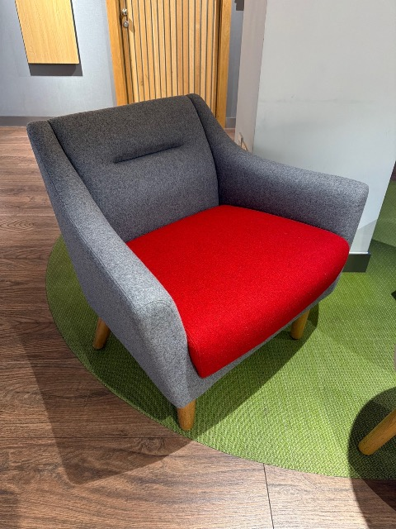 | Arm chair Orangebox · Soft seating & breakout | 2 |  | Good | Remove
3 | 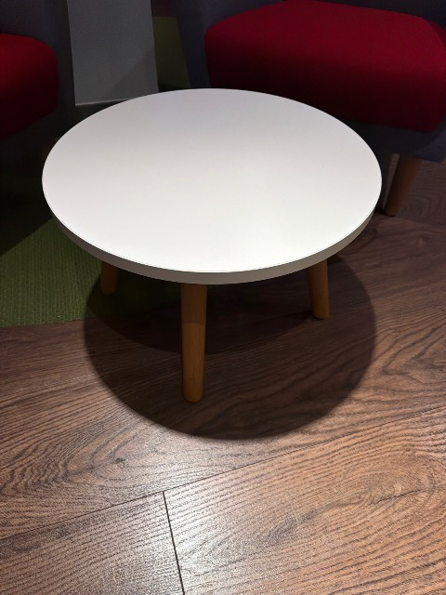 | Small round table Tables (meeting / canteen / coffee) | 2 |  | Fair | Remove
4 | 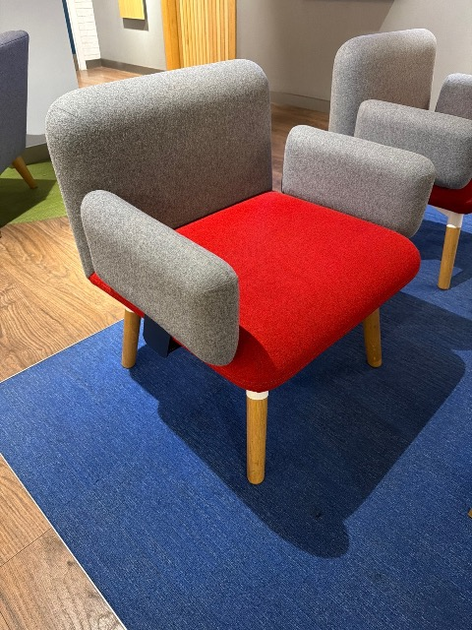 | Arm chair Boss · Soft seating & breakout | 2 |  | Good | Remove
5 | 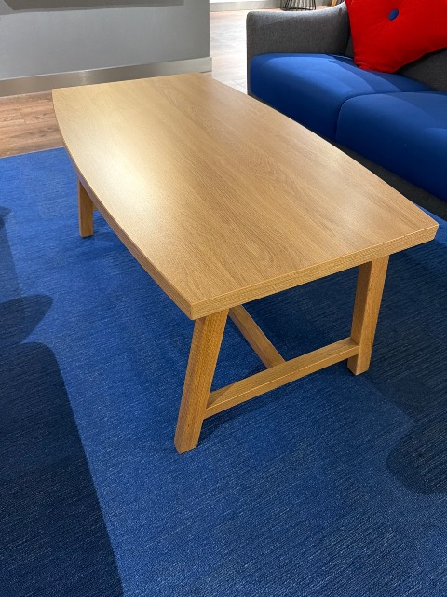 | Coffee table Tables (meeting / canteen / coffee) | 1 |  | Good | Remove
6 | 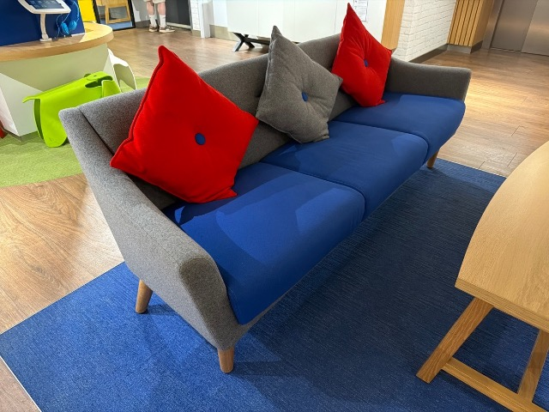 | 3 seat sofa Orangebox · Soft seating & breakout | 1 |  | Good | Remove
7 | 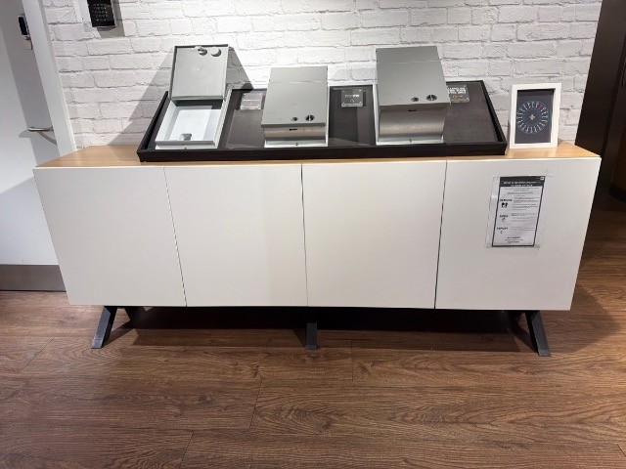 | Credenza Cupboards & lockers | 1 |  | Good | Remove
8 | 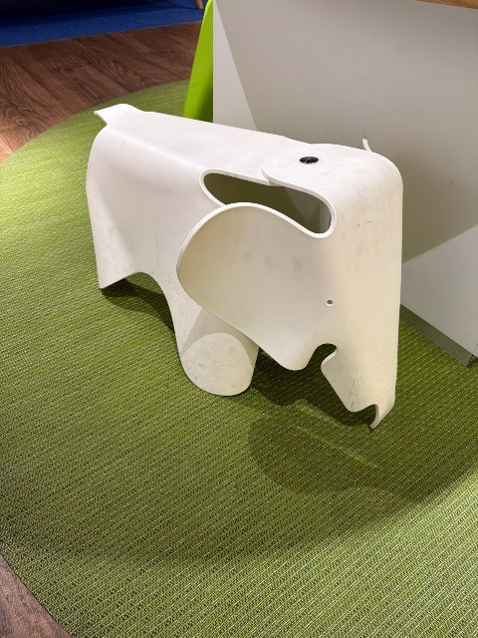 | Elephant (Vitra) Vitra · Other | 4 |  | Poor | Remove
9 | 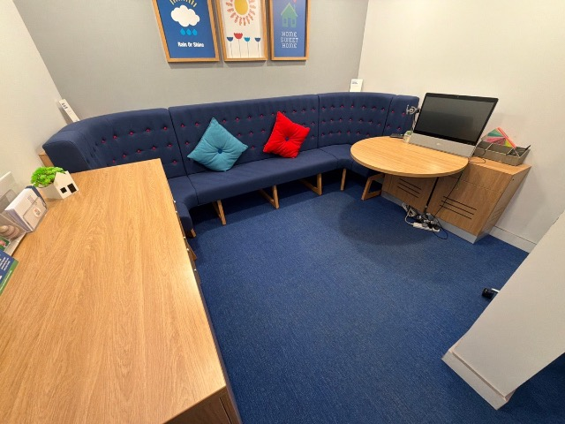 | Office area Other | 3 |  | Fair | Remove
10 | 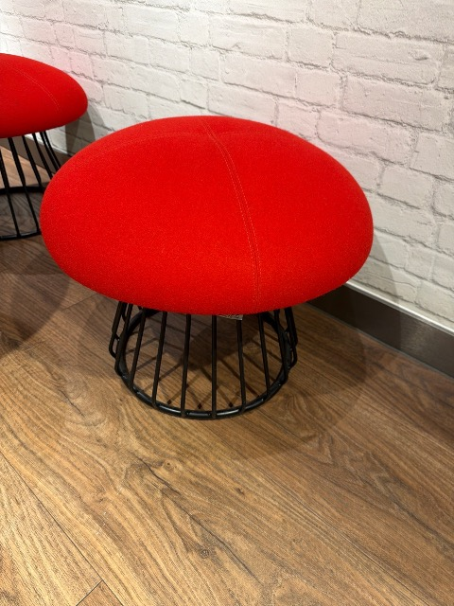 | Stool Boss · Stools & benches | 2 |  | Good | Remove
11 | 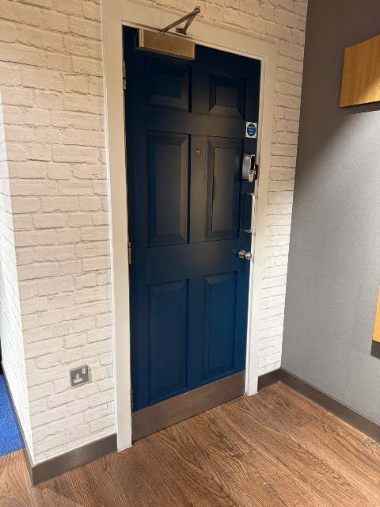 | Staff room - no access to view | 1
12 | 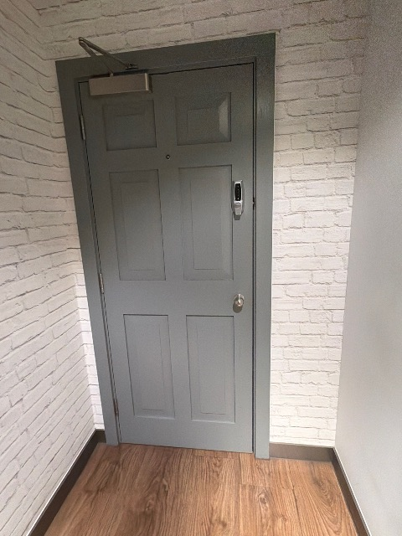 | Locker room - no access | 1
13 | 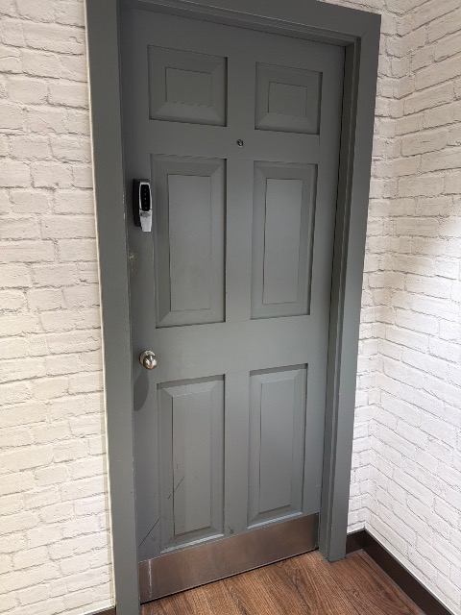 | Office - no access | 1
14 | 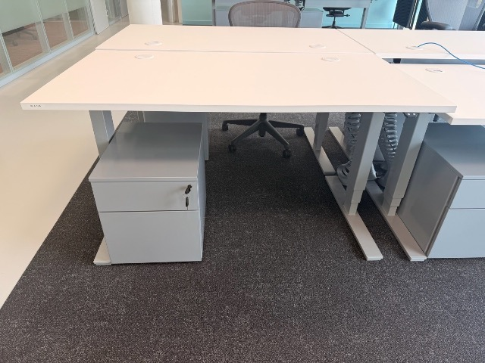 | ★ Sit stand desk Sedus | 65 | 1600×800 | Excellent | Remove
15 | 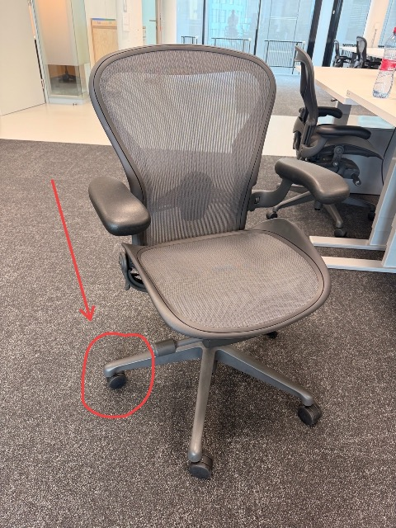 | ★ Herman Miller Aeron Herman miller · Operator / task chairs | 65 |  | Excellent | Remove
Ground
16 | 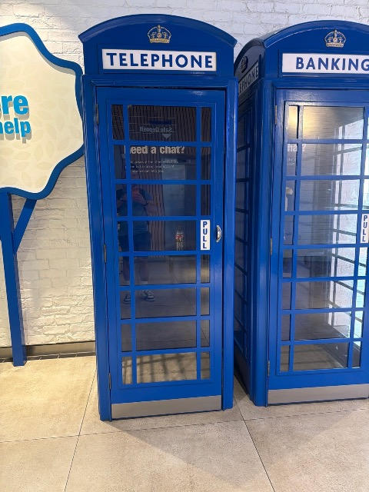 | Blue phone box Other | 1 |  | Fair | Remove
17 | 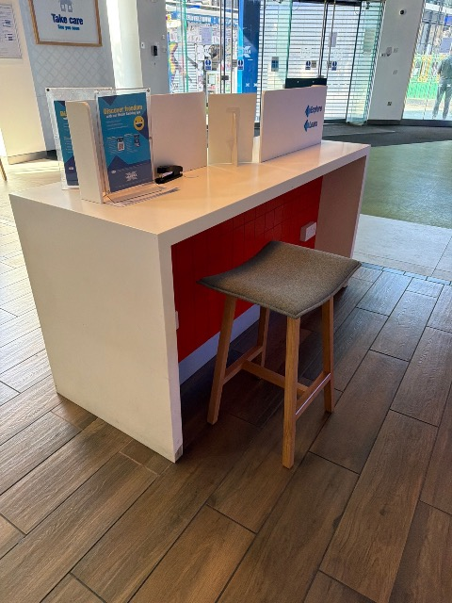 | Fitted reception counter Reception | 2 |  | Poor | Remove | Electrics built in - see images
18 | 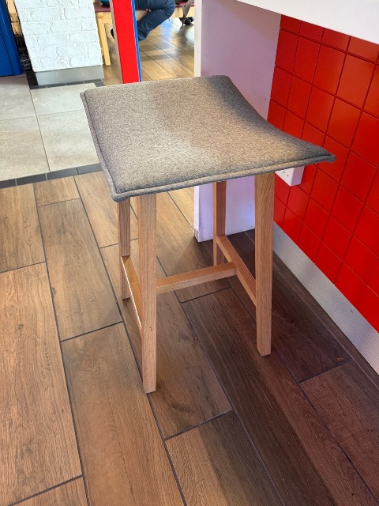 | Stool Orangebox · Stools & benches | 2 |  | Fair | Remove
19 | 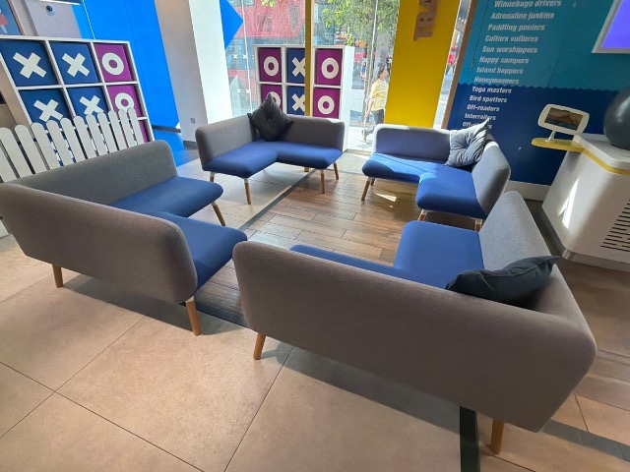 | “Breakout” sofa Boss · Soft seating & breakout | 4 |  | Fair | Remove
20 | 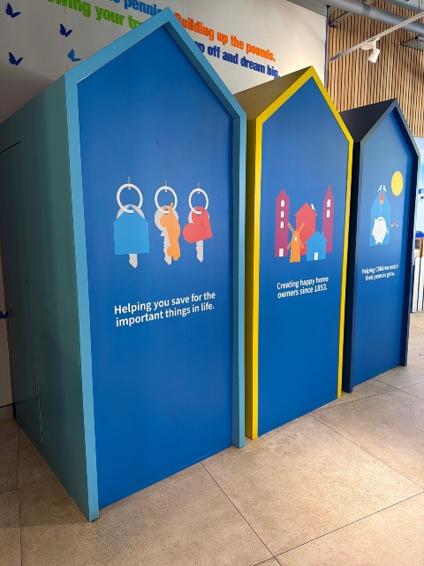 | Storage? Unknown use Cupboards & lockers | 3 |  | Fair | Remove
21 | 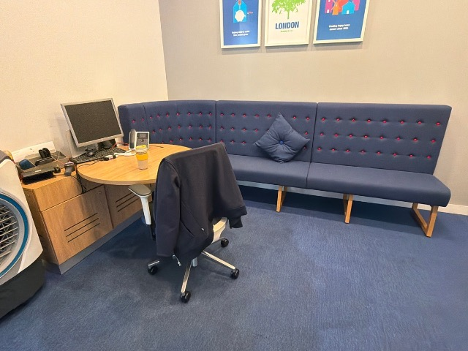 | Office Other | 1 |  | Fair | Remove
22 | 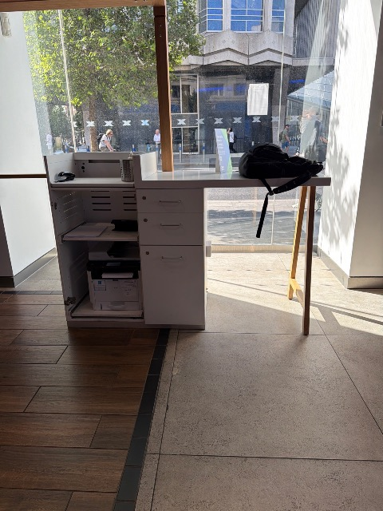 | Reception desk Reception | 1 |  | Fair | Remove | Electrics built in
23 | 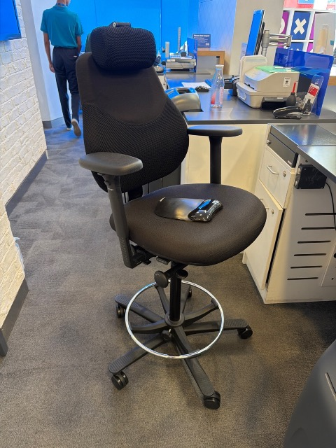 | Ops chair Operator / task chairs | 1 |  | Fair | Remove
24 | 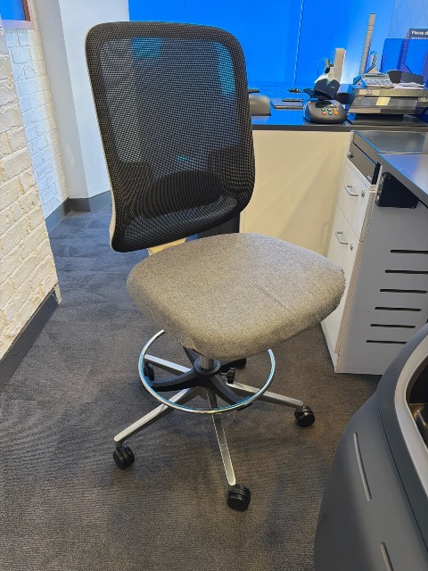 | Ops chair no arms Orangebox · Operator / task chairs | 2 |  | Poor | Remove
25 | 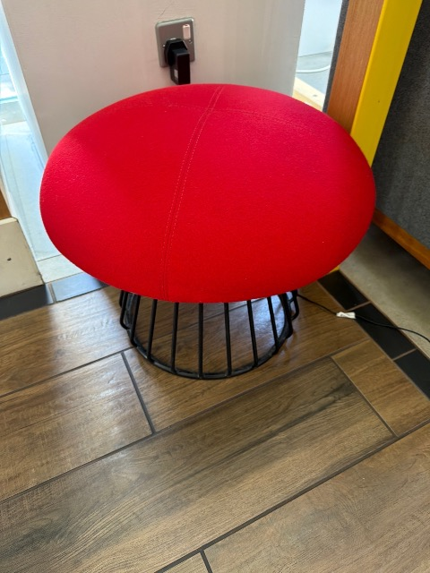 | Stool Boss · Stools & benches | 1 |  | Good | Remove
26 | 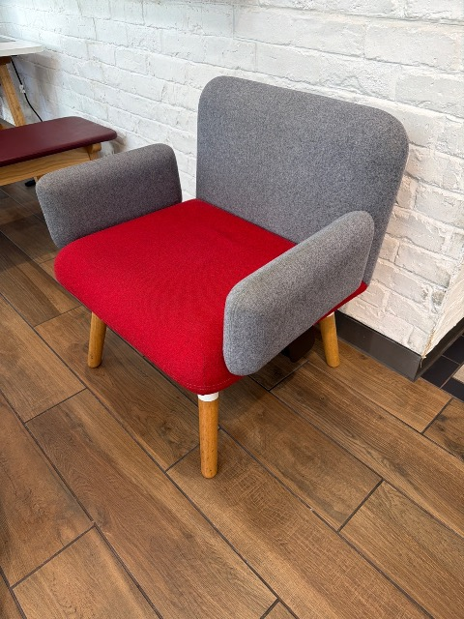 | Arm chair Boss · Soft seating & breakout | 2 |  | Fair | Remove
27 | 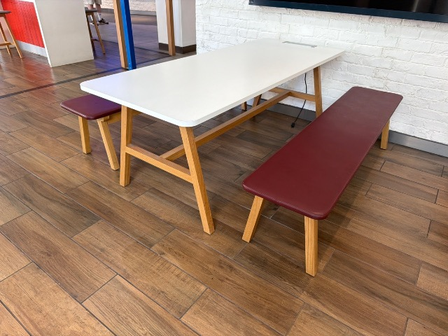 | Canteen table & benches Tables (meeting / canteen / coffee) | 1 |  | Fair | Remove
28 | 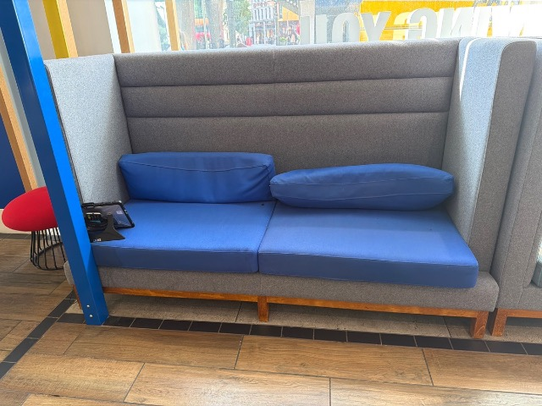 | 2 stray booth Soft seating & breakout | 1 |  | Poor | Remove
29 | 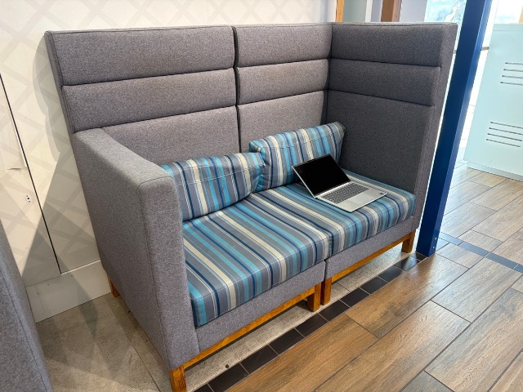 | 2 seat booth Soft seating & breakout | 2 |  | Poor | Remove
30 | 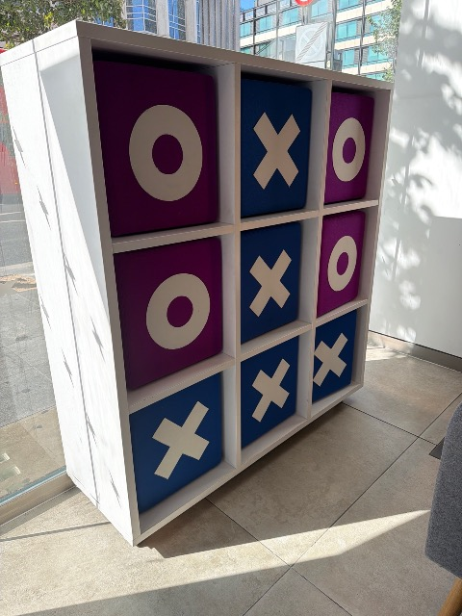 | Storage unit Cupboards & lockers | 1 |  | Fair | Remove
31 | 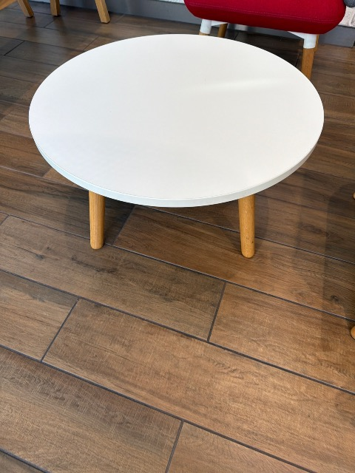 | Small coffee table Tables (meeting / canteen / coffee) | 1 |  | Fair | Remove
Back Office · 9 observations
32 | 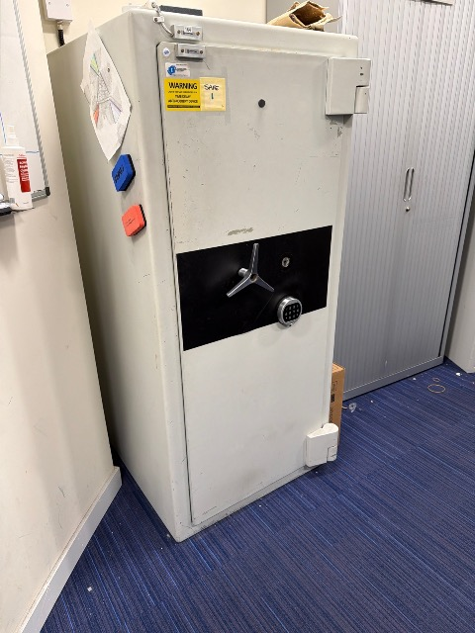 | Large safe Other | 1 |  | Poor
33 | 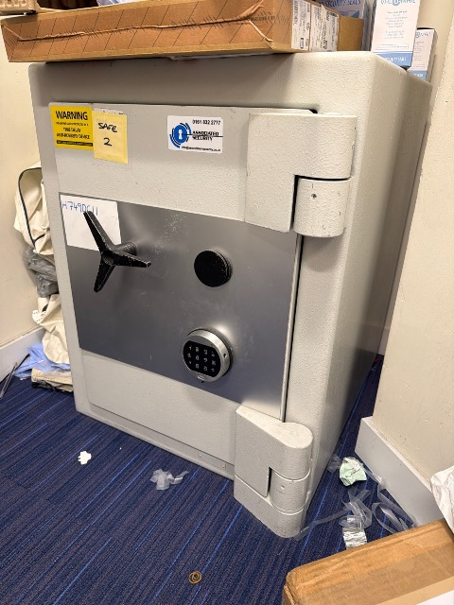 | Medium safe Other | 1 |  | Poor
34 | 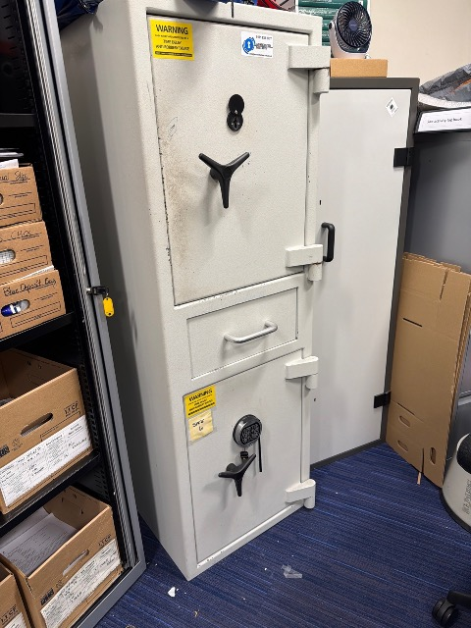 | Large safe Other | 1 |  | Poor
35 | 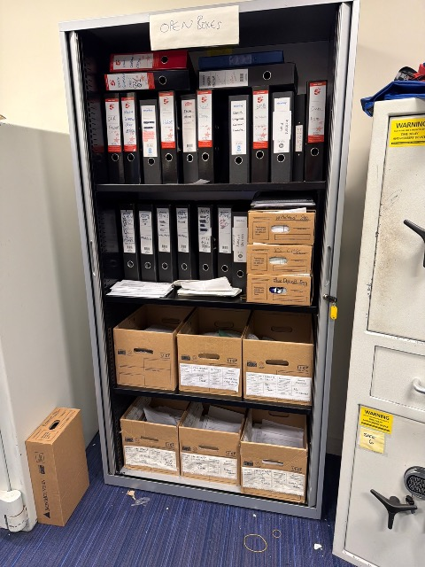 | Large metal cabinet Cupboards & lockers | 1 |  | Fair | Remove
36 | 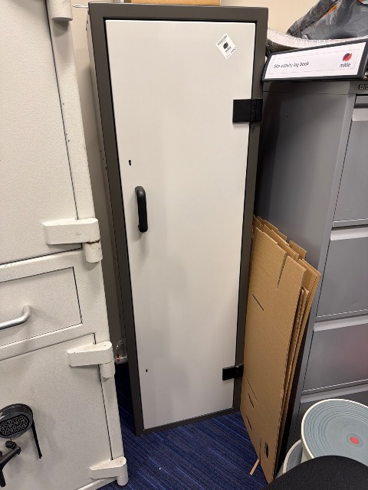 | Metal filing cabinet Pedestals & filing | 1 |  | Fair | Remove
37 | 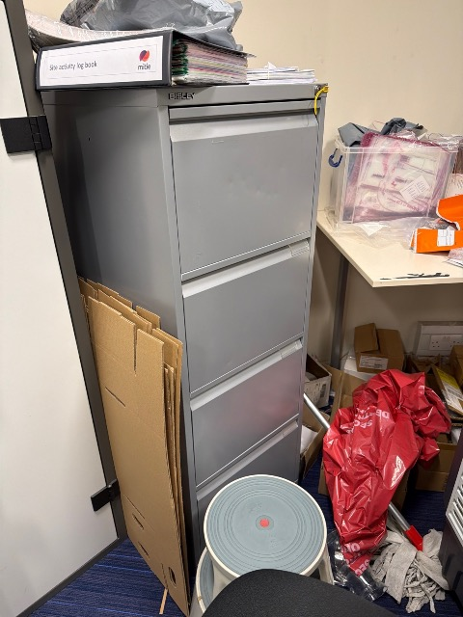 | 4 draw filing cabinet Pedestals & filing | 1 |  | Poor | Remove
38 | 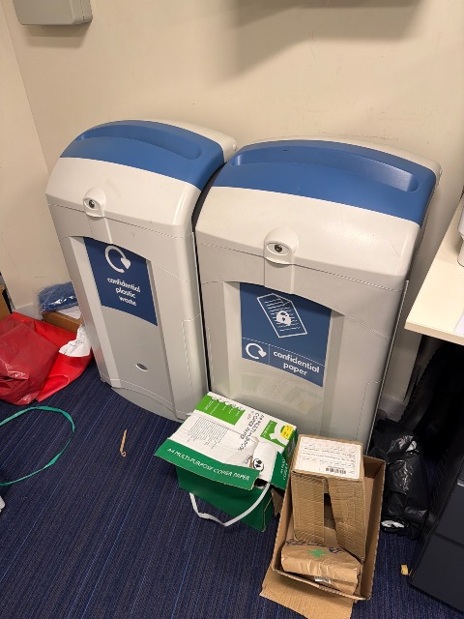 | Confidential waste bins Other | 2 |  | Fair | Remove
39 | 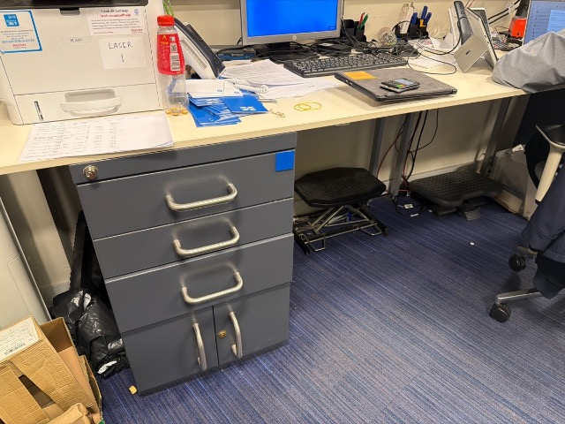 | Work bench Desks & workstations | 1 | 3200×800 | Poor | Remove | Built on top of metal pedestals
40 | 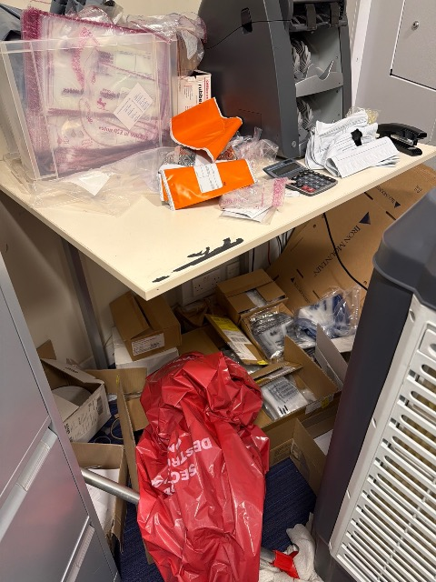 | Small desk Desks & workstations | 1 |  | Poor | Remove
1st Floor/ Mez
41 | 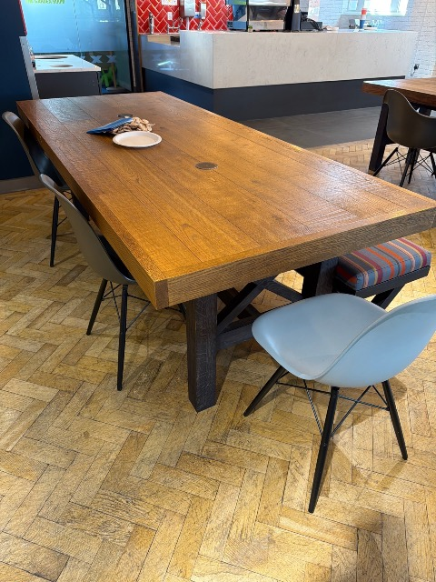 | Dining table Tables (meeting / canteen / coffee) | 3 |  | Good | Remove | Wireless charging points (not working)
42 | 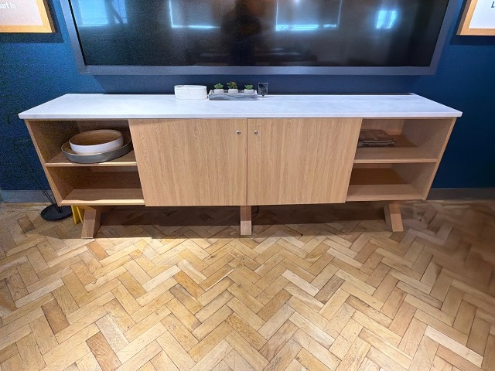 | Credenza Cupboards & lockers | 1 |  | Good | Remove
43 | 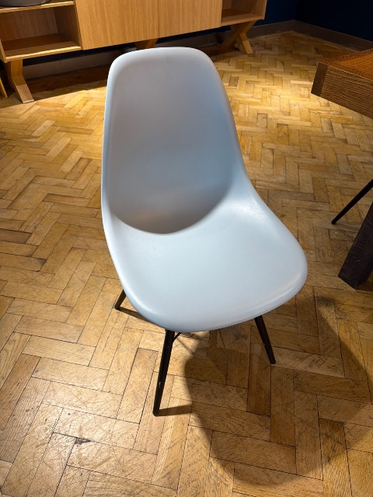 | DSR Dining chair Vitra · Meeting & visitor chairs | 11 |  | Fair | Remove
44 | 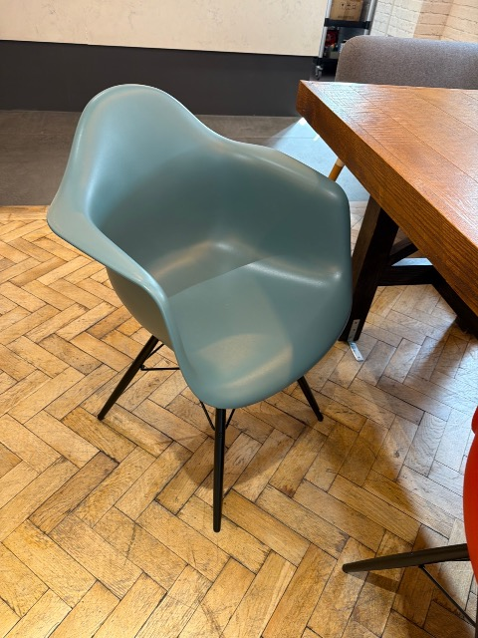 | DWR Dining chair Meeting & visitor chairs | 4 |  | Fair | Remove
45 | 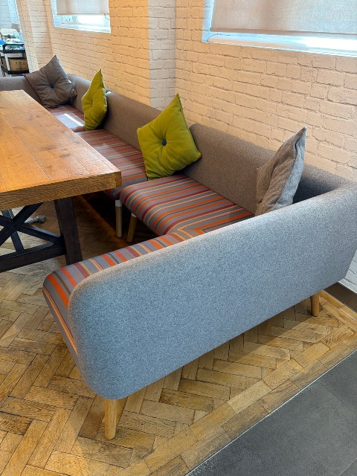 | 3 piece breakout sofa Boss · Soft seating & breakout | 1 |  | Fair | Remove
46 | 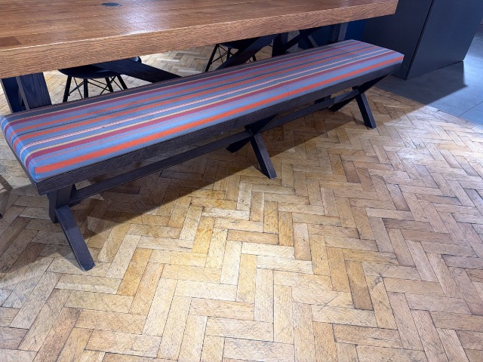 | Bench Stools & benches | 1 |  | Poor | Remove
47 | 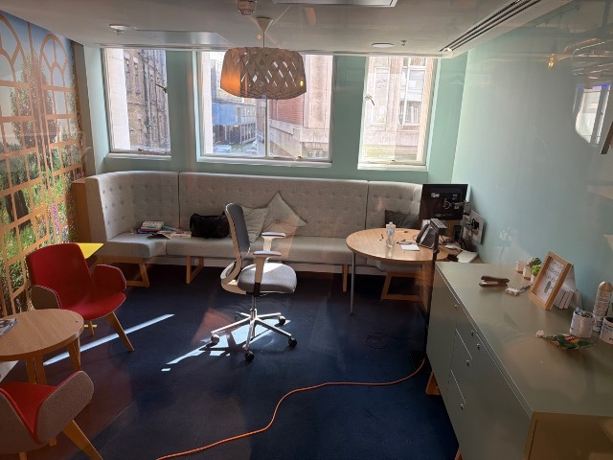 | Office - no access Other | 1 |  | Fair | Remove
48 | 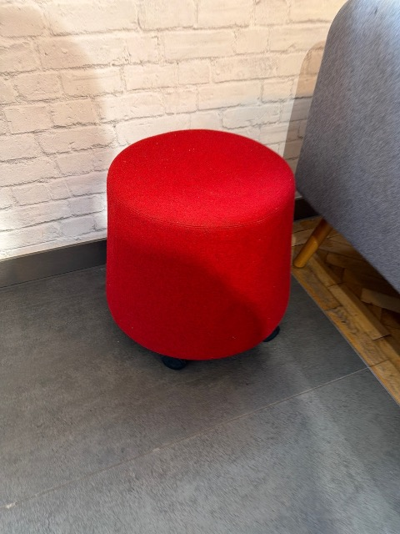 | Stool Stools & benches | 1 |  | Good | Remove
49 | 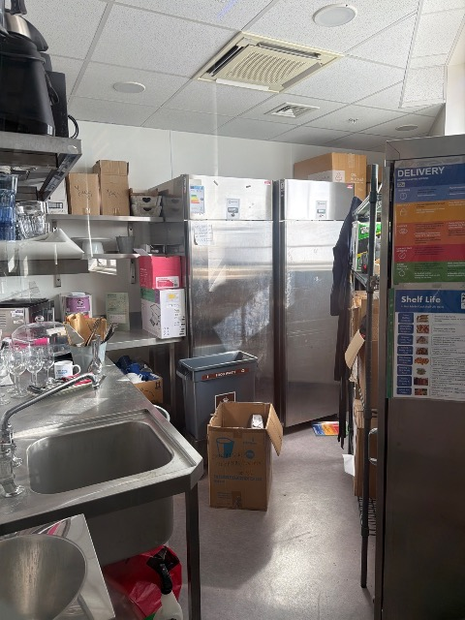 | Kitchen - no access Other | 1
50 | 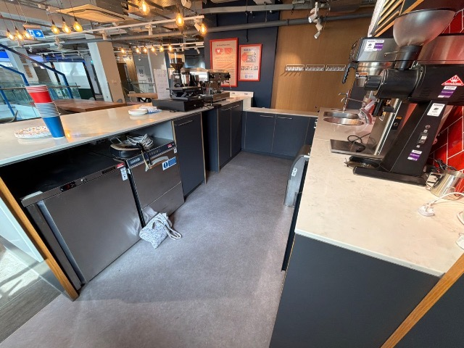 | Bar area Other | 1 |  | Fair | Remove
51 |  | Wooden bench Stools & benches | 1 |  | Fair | Remove
52 |  | Whiteboard on wheels Whiteboards & presentation | 2 |  | Good | Remove
53 |  | Flip top table Tables (meeting / canteen / coffee) | 1 |  | Fair | Remove
54 |  | Acoustic panel Screens & acoustic panels | 9 |  | Good | Remove
55 |  | Fliptop table Tables (meeting / canteen / coffee) | 8 |  | Good | Remove
56 |  | Observation 56 Orangebox · Meeting & visitor chairs | 18 |  | Good | Remove
57 |  | Breakout pod Pods & booths | 2 |  | Fair | Remove
58 |  | Small coffee table Tables (meeting / canteen / coffee) | 2 |  | Good | Remove
59 |  | Bench Soft seating & breakout | 2 |  | Fair | Remove
60 |  | Arm chair Soft seating & breakout | 7 |  | Fair | Remove
61 |  | Observation 61 Orangebox · Soft seating & breakout | 3 |  | Poor | Remove
62 |  | Laptop table Tables (meeting / canteen / coffee) | 2 |  | Fair | Remove
63 |  | Built in bench | 8 |  | Good | Remove | 8 pieces
64 |  | Reception counter Reception | 1 |  | Fair | Remove | Electrics built in
65 |  | Office Other | 1
66 |  | Office | 1
67 |  | Office | 1
68 |  | Work bench Tables (meeting / canteen / coffee) | 1 |  | Fair | Remove
Access
69 |  | Front access Access
70 |  | Parking Access
71 |  | Parking Access

 |  | Total: 68 observations (284 units) | 284 |  |  | Remove: 274

